Hiearchy View
CLASS: MATRIX SWITCH
high performance system used to switch audio/video frequencies. |  | 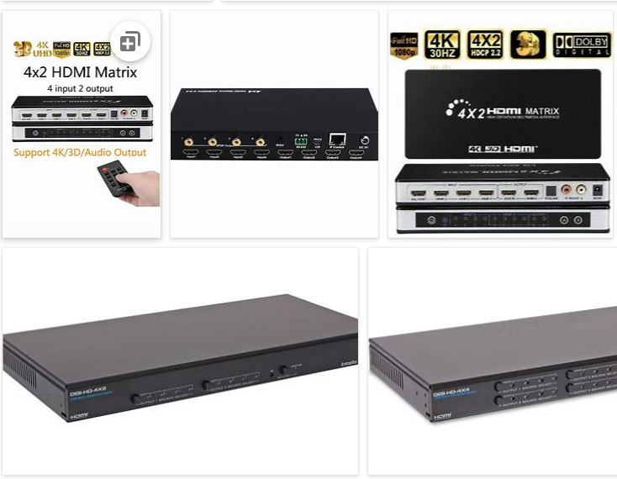
REMOVE | N

PROBLEM_DESC | CAUSE_DESC | REMEDY_DESC
BROKEN/DAMAGED
LIGHTING
OTHER PROBLEM
OVERHEATING
POWER-ELEC
STOPPED/SLOWED/POOR OPS
TEMP-CTRL
VIBRATION
Grand Total

